Dashboard_Best Aspects
Qualitative Feedback
There were four major themes that emerged from participants' responses to the question "What was the best aspect(s) of the workshop?" Select the filter options below to further examine participants' feedback.

 |  |  |  |  |  | Active working sessions were helpful.
 |  |  |  |  |  | Assessment review
 |  |  |  | Small Group Work | 38% | Deeper dive into the project in small groups
 |  |  |  |  |  | Developing tools to emphasize visualization in groups
FILTER OPTIONS:
29
# of
participants:
 |  |  |  |  |  | I really enjoyed working on the assessments.
 |  |  |  |  |  | I really liked that we were involved in both writing and revising assessments.
 |  |  |  |  |  | Seeing specific examples and talking about them and how to improve them in groups.
 |  |  |  |  |  | The working groups
 | Social Hour/ Plenary Talk | Best Aspects of the Workshop |  |  |  | Working in small groups with a facilitator who was able to explain the framework
 |  |  |  |  |  | Working on assessments
 |  |  |  |  |  | Working on the assessments, both reviewing and creating in small groups.

10%

I also really liked the plenary.
The social was fun and gave me lots of ideas.
You selected an amazing speaker! |  |  |  |  | Learning about Literacy
 |  |  |  |  |  |  |  | Confirmation that this is important, and that I should continue to develop questions for my students
 |  |  |  |  |  |  |  | Getting new ideas for how to write better assessments.
 |  |  |  |  |  |  | 28% | Getting to approach visualization assessment from different angles.
 |  |  |  |  |  |  |  | I enjoyed being introduced to the idea of teaching visualization skills specifically, and ideas to do so.
 |  |  |  |  |  |  |  | Learning about colorblindness and its impact on my students; Being able to critically assess my own figures
 |  | Networking |  |  |  |  |  | Learning about the aspects of assessment
 |  |  |  |  |  |  |  | Learning from others, spending time thinking about molecules
 |  |  |  |  |  |  |  | Learning techniques to design questions.

 |  | 28%
 |  |  | Connecting with new like minded colleagues and learning from one another
 |  |  | Meeting and interacting with different groups for different parts of the workshop
 |  |  | Meeting new people
 |  |  | Talking with other people who care about this
 |  |  | The community--the team has done a great job of putting together a very diverse community and making everyone feel welcome.
 |  |  | The sharing of resources by all of the workshop participants in the chat
 |  |  | The social was fun and gave me lots of ideas.
 |  |  | Working with new folks

Notes
The Dashboard contains the following information; select the filter options to see how the percentages and quotes change!
Purple squares represent the major themes that emerged from the qualitative analysis.

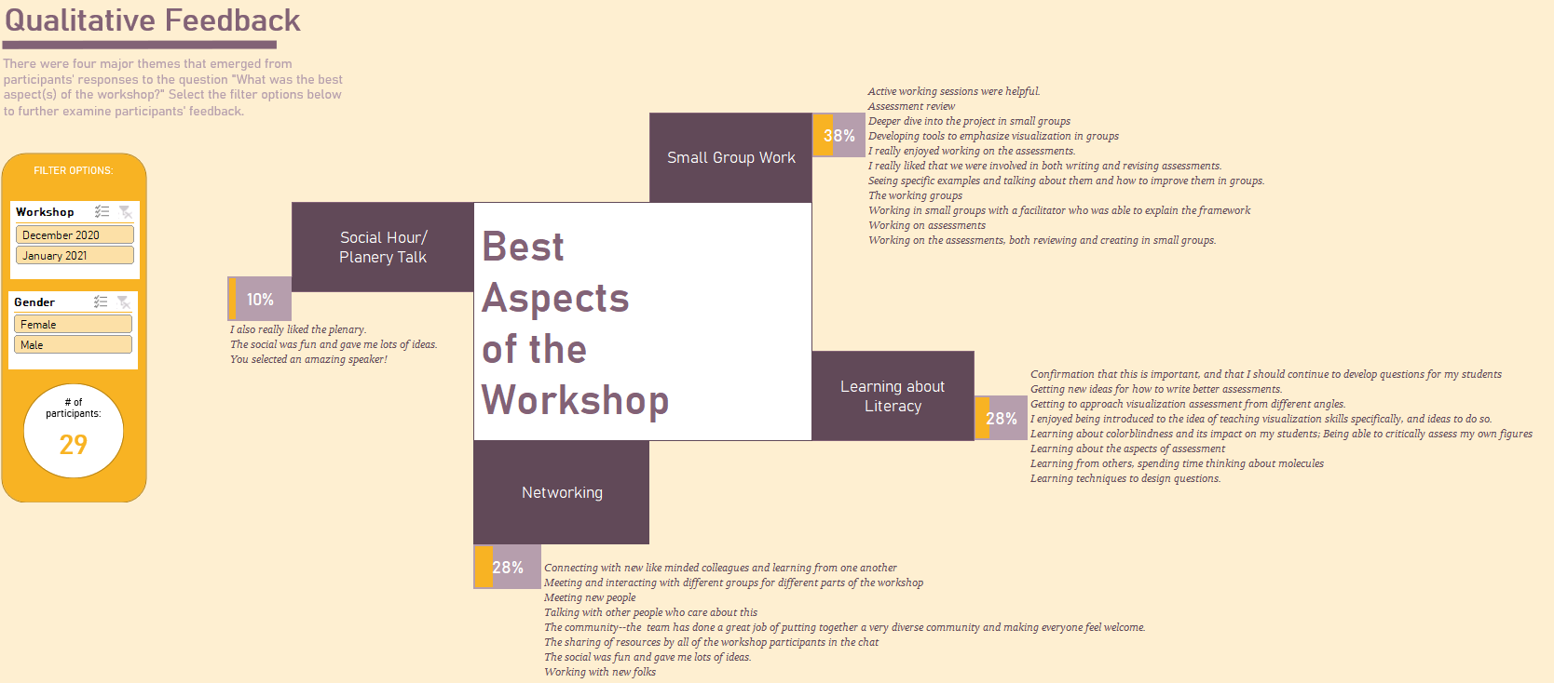

Italicized words represent direct quotes from participants. Quotes are organized by theme!

Percentages and percentage bars represent the percentage of participants who provided feedback related to that theme! For example, here, 28% of all participants mentioned "networking" as being the best aspect of the workshop.

